Chem Structures (F2)
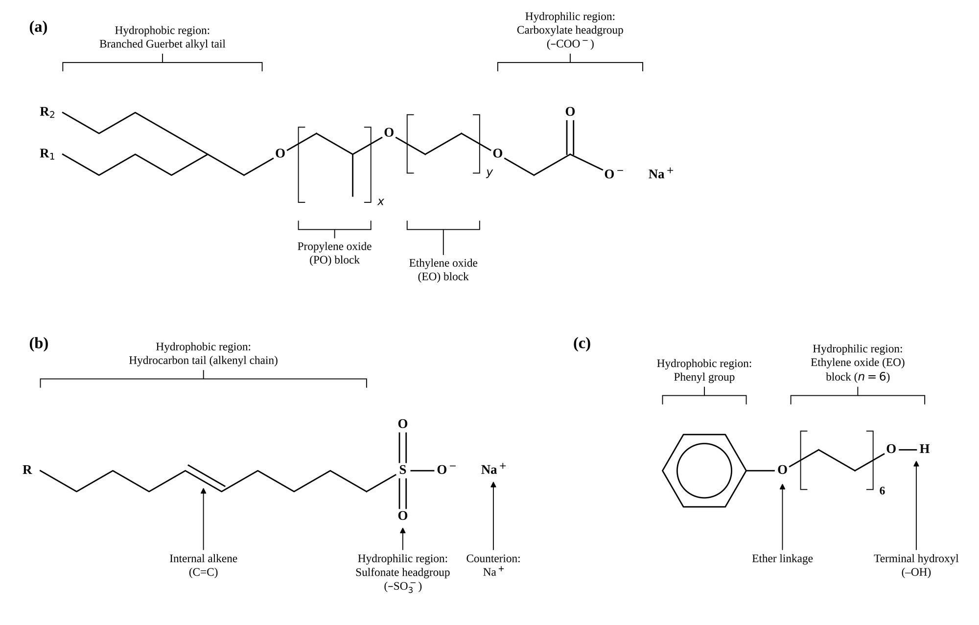
FIGURE 2. AMPHIPHILE STRUCTURES
GAC (Guerbet alkoxy carboxylate), IOS (internal olefin sulfonate), Phenol 6EO (co-solvent).

(a) | Guerbet alkoxy carboxylate (GAC, sodium salt)
(b) | Internal olefin sulfonate (IOS, sodium salt)
(c) | Ethoxylated phenol co-solvent (Phenol 6EO)

Chem Structures — figure

Phase Behavior (F3)
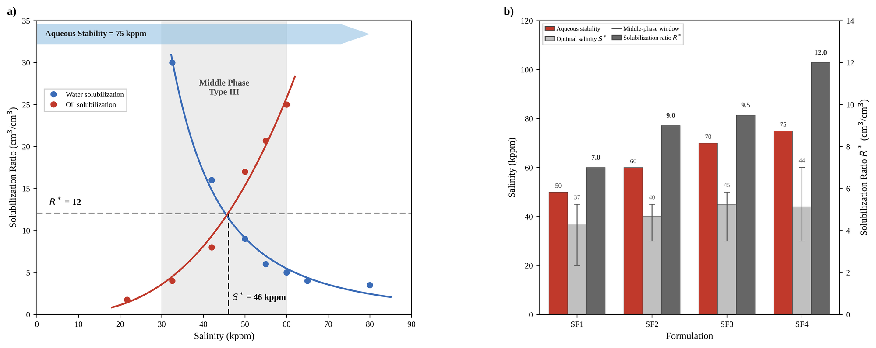
FIGURE 3. FORMULATION SCREENING — PHASE BEHAVIOR
SF4 solubilization scan and four-formulation summary. S* = 46 kppm, R* = 12 cm³/cm³, aqueous stability = 75 kppm.

Salinity (kppm) | SR water (cm³/cm³) | SR oil (cm³/cm³) | Phase region
21.69 |  | 1.75 | Below Type III
32.53 | 30.0 | 4.00 | Type III
42 | 16.0 | 8.00 | Type III
50 | 9.0 | 17.00 | Type III
55 | 6.0 | 20.70 | Type III
60 | 5.0 | 25.00 | Type III
65 | 4.0 |  | Above optimal
80 | 3.5 |  | Above optimal

Formulation summary
Formulation | Aq. stability (kppm) | S* (kppm) | MP lower (kppm) | MP upper (kppm) | R* (cm³/cm³)
SF1 | 50 | 37 | 20 | 45 | 7.0
SF2 | 60 | 40 | 30 | 45 | 9.0
SF3 | 70 | 45 | 30 | 50 | 9.5
SF4 | 75 | 46 | 30 | 60 | 12.0

Phase Behavior — figure

IFT Data (F4)
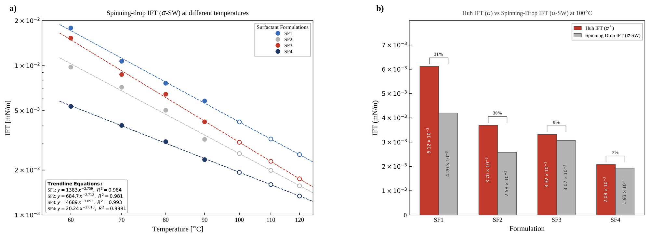
FIGURE 4. INTERFACIAL TENSION — SF1 TO SF4
Spinning-drop IFT vs temperature at seawater salinity; power-law fits; Huh vs SD IFT at 100 °C.

Formulation | T (°C) | IFT (mN/m) | Extrapolated
SF1 | 60 | 0.01790 | No
SF1 | 70 | 0.01070 | No
SF1 | 80 | 0.00763 | No
SF1 | 90 | 0.00581 | No
SF1 | 100 | 0.00420 | Yes
SF1 | 110 | 0.00323 | Yes
SF1 | 120 | 0.00254 | Yes
SF2 | 60 | 0.00978 | No
SF2 | 70 | 0.00717 | No
SF2 | 80 | 0.00503 | No
SF2 | 90 | 0.00321 | No
SF2 | 100 | 0.00258 | Yes
SF2 | 110 | 0.00199 | Yes
SF2 | 120 | 0.00157 | Yes
SF3 | 60 | 0.01530 | No
SF3 | 70 | 0.00873 | No
SF3 | 80 | 0.00644 | No
SF3 | 90 | 0.00421 | No
SF3 | 100 | 0.00307 | Yes
SF3 | 110 | 0.00229 | Yes
SF3 | 120 | 0.00175 | Yes
SF4 | 60 | 0.00534 | No
SF4 | 70 | 0.00398 | No
SF4 | 80 | 0.00310 | No
SF4 | 90 | 0.00235 | No
SF4 | 100 | 0.00193 | Yes
SF4 | 110 | 0.00160 | Yes
SF4 | 120 | 0.00134 | Yes

Power-law trendline coefficients, IFT(T) = a · Tb
Formulation | a | b | R²
SF1 | 1382.900 | -2.759 | 0.9840
SF2 | 684.660 | -2.712 | 0.9810
SF3 | 4689.000 | -3.092 | 0.9930
SF4 | 20.241 | -2.010 | 0.9981

Huh IFT vs spinning-drop IFT at 100 °C
Formulation | Huh IFT (mN/m) | SD IFT (mN/m)
SF1 | 0.00612 | 0.00420
SF2 | 0.00370 | 0.00258
SF3 | 0.00332 | 0.00307
SF4 | 0.00208 | 0.00193

IFT Data — figure

Contact Angle (F5)
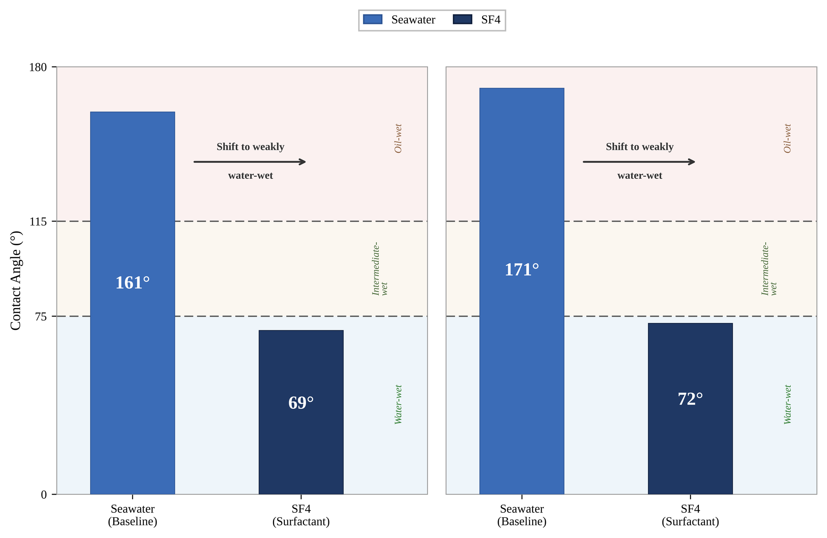
FIGURE 5. WETTABILITY ALTERATION — CONTACT ANGLE
Ambient-condition sessile-drop angle on oil-aged carbonate before and after SF4 exposure.

Core | Lithology | Baseline θ (deg) | SF4 θ (deg) | Δθ (deg)
Core-1 | Indiana limestone | 161 | 69 | 92
Core-2 | Reservoir carbonate | 171 | 72 | 99

Triplicate measurements
Core | Condition | Replicate | θ (deg) | Mean θ (deg)
Core-1 | Seawater | 1 | 158 | 161
Core-1 | Seawater | 2 | 161 | 161
Core-1 | Seawater | 3 | 164 | 161
Core-1 | SF4 | 1 | 66 | 69
Core-1 | SF4 | 2 | 69 | 69
Core-1 | SF4 | 3 | 72 | 69
Core-2 | Seawater | 1 | 168 | 171
Core-2 | Seawater | 2 | 171 | 171
Core-2 | Seawater | 3 | 174 | 171
Core-2 | SF4 | 1 | 69 | 72
Core-2 | SF4 | 2 | 72 | 72
Core-2 | SF4 | 3 | 75 | 72

Wettability zones (Anderson 1986): water-wet 0-75 deg, intermediate 75-115 deg, oil-wet 115-180 deg.

Contact Angle — figure

Coreflood A10 (F6)
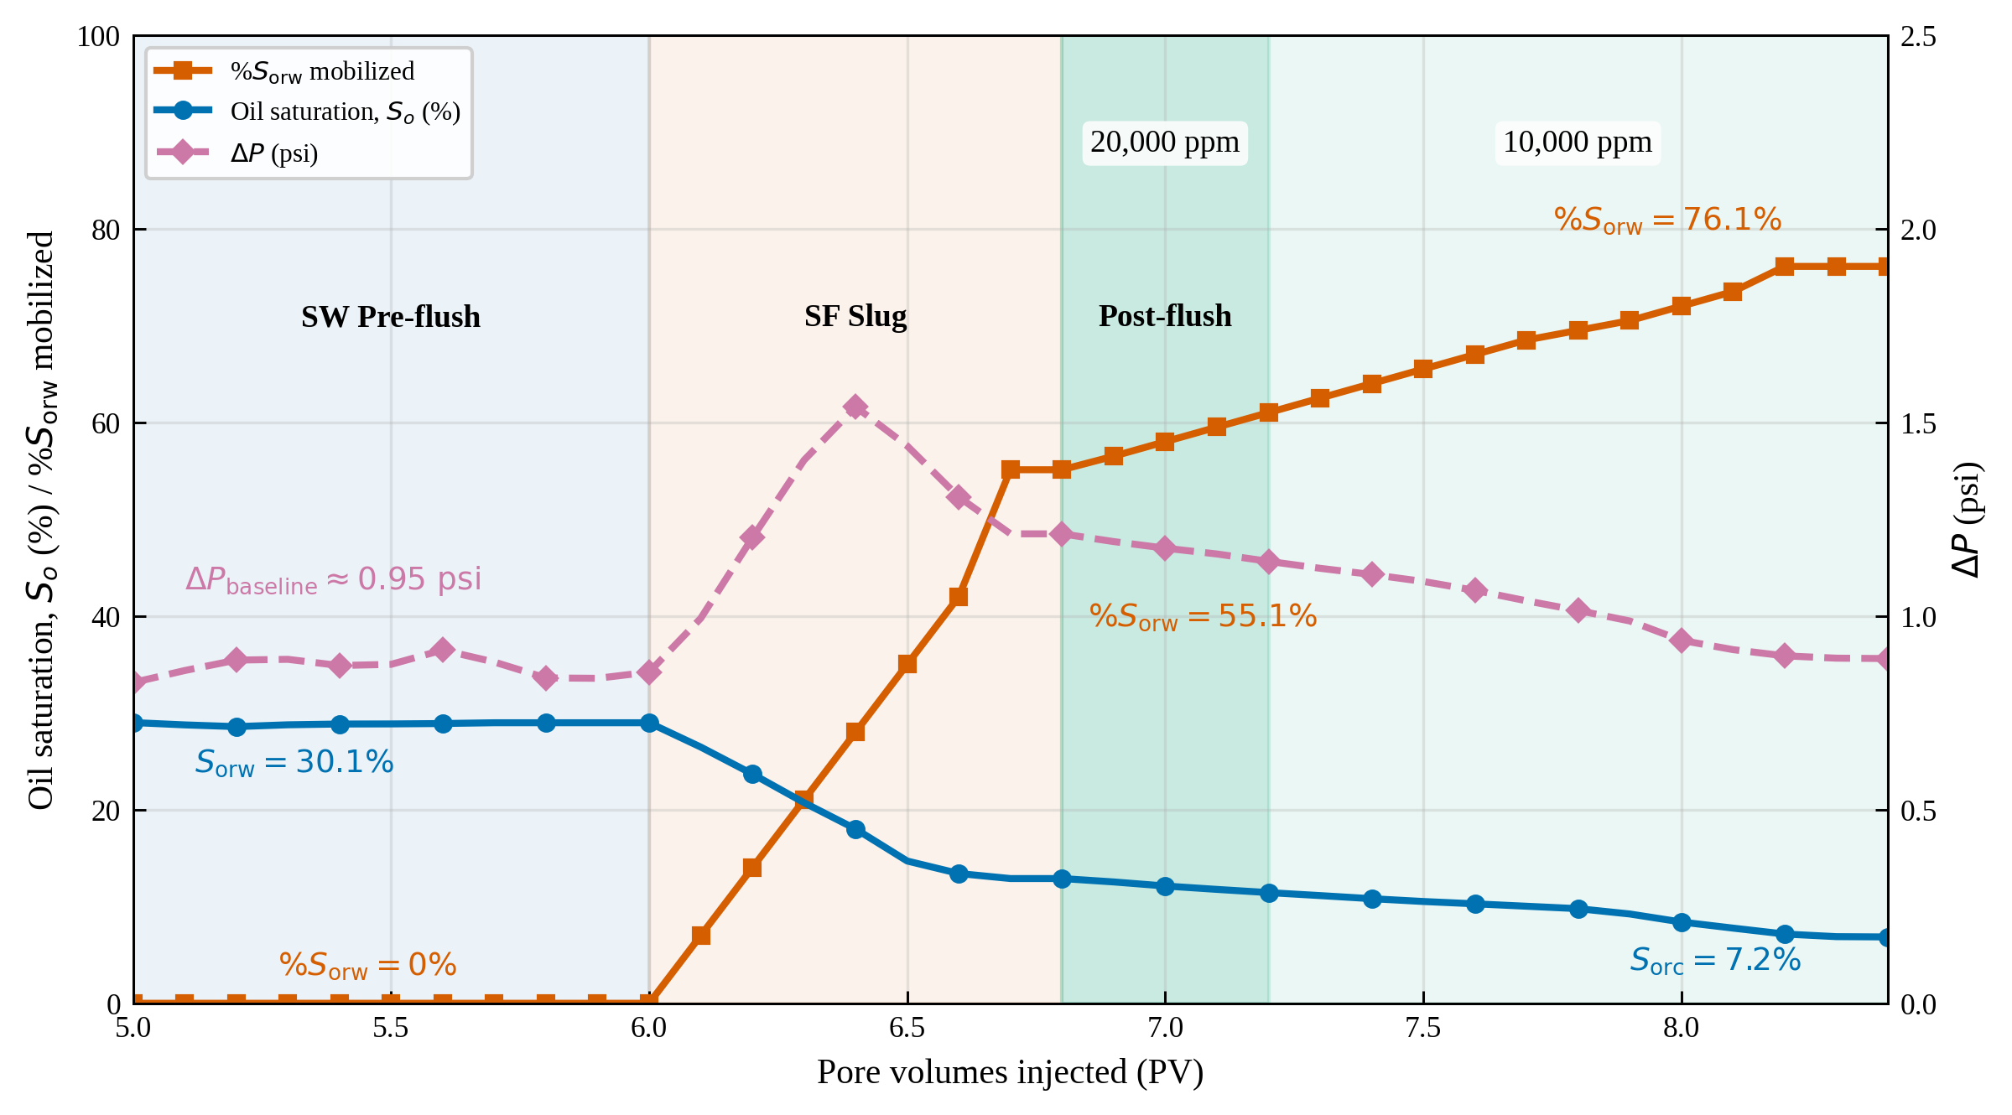
FIGURE 6. COREFLOOD A10 — INDIANA LIMESTONE, 100 °C
Core-1. kw = 27.0 mD (≈27.0 × 10⁻³ μm²). Sorw = 30.1%, Sorc = 7.2%, %Sorw mobilized = 76.1%, Γ = 0.16 mg/g.

PV injected | %Sorw mobilized | So (%) | ΔP (psi) | Stage
5.0 | 0.0 | 28.99 | 0.828 | Start of SW pre-flush
5.1 | 0.0 | 28.75 | 0.859
5.2 | 0.0 | 28.57 | 0.886
5.3 | 0.0 | 28.76 | 0.888
5.4 | 0.0 | 28.84 | 0.872
5.5 | 0.0 | 28.85 | 0.875
5.6 | 0.0 | 28.89 | 0.912
5.7 | 0.0 | 28.97 | 0.881
5.8 | 0.0 | 28.97 | 0.840
5.9 | 0.0 | 28.97 | 0.839
6.0 | 0.0 | 28.97 | 0.855 | Start of SF4 slug injection
6.1 | 7.0 | 26.46 | 0.994
6.2 | 14.0 | 23.68 | 1.202
6.3 | 21.0 | 20.72 | 1.402
6.4 | 28.0 | 18.00 | 1.540
6.5 | 35.0 | 14.69 | 1.439
6.6 | 42.0 | 13.40 | 1.307
6.7 | 55.1 | 12.88 | 1.212
6.8 | 55.1 | 12.88 | 1.212 | Start of post-flush (20,000 ppm)
6.9 | 56.5 | 12.53 | 1.192
7.0 | 58.0 | 12.11 | 1.175
7.1 | 59.5 | 11.76 | 1.160
7.2 | 61.0 | 11.43 | 1.141 | Salinity step-down to 10,000 ppm
7.3 | 62.5 | 11.12 | 1.123
7.4 | 64.0 | 10.80 | 1.107
7.5 | 65.5 | 10.51 | 1.089
7.6 | 67.0 | 10.27 | 1.066
7.7 | 68.5 | 10.02 | 1.039
7.8 | 69.5 | 9.77 | 1.014
7.9 | 70.5 | 9.22 | 0.987
8.0 | 72.0 | 8.39 | 0.937
8.1 | 73.5 | 7.76 | 0.913
8.2 | 76.1 | 7.15 | 0.897
8.3 | 76.1 | 6.88 | 0.891
8.4 | 76.1 | 6.85 | 0.890

Coreflood A10 — figure

Coreflood SN7 (F7)
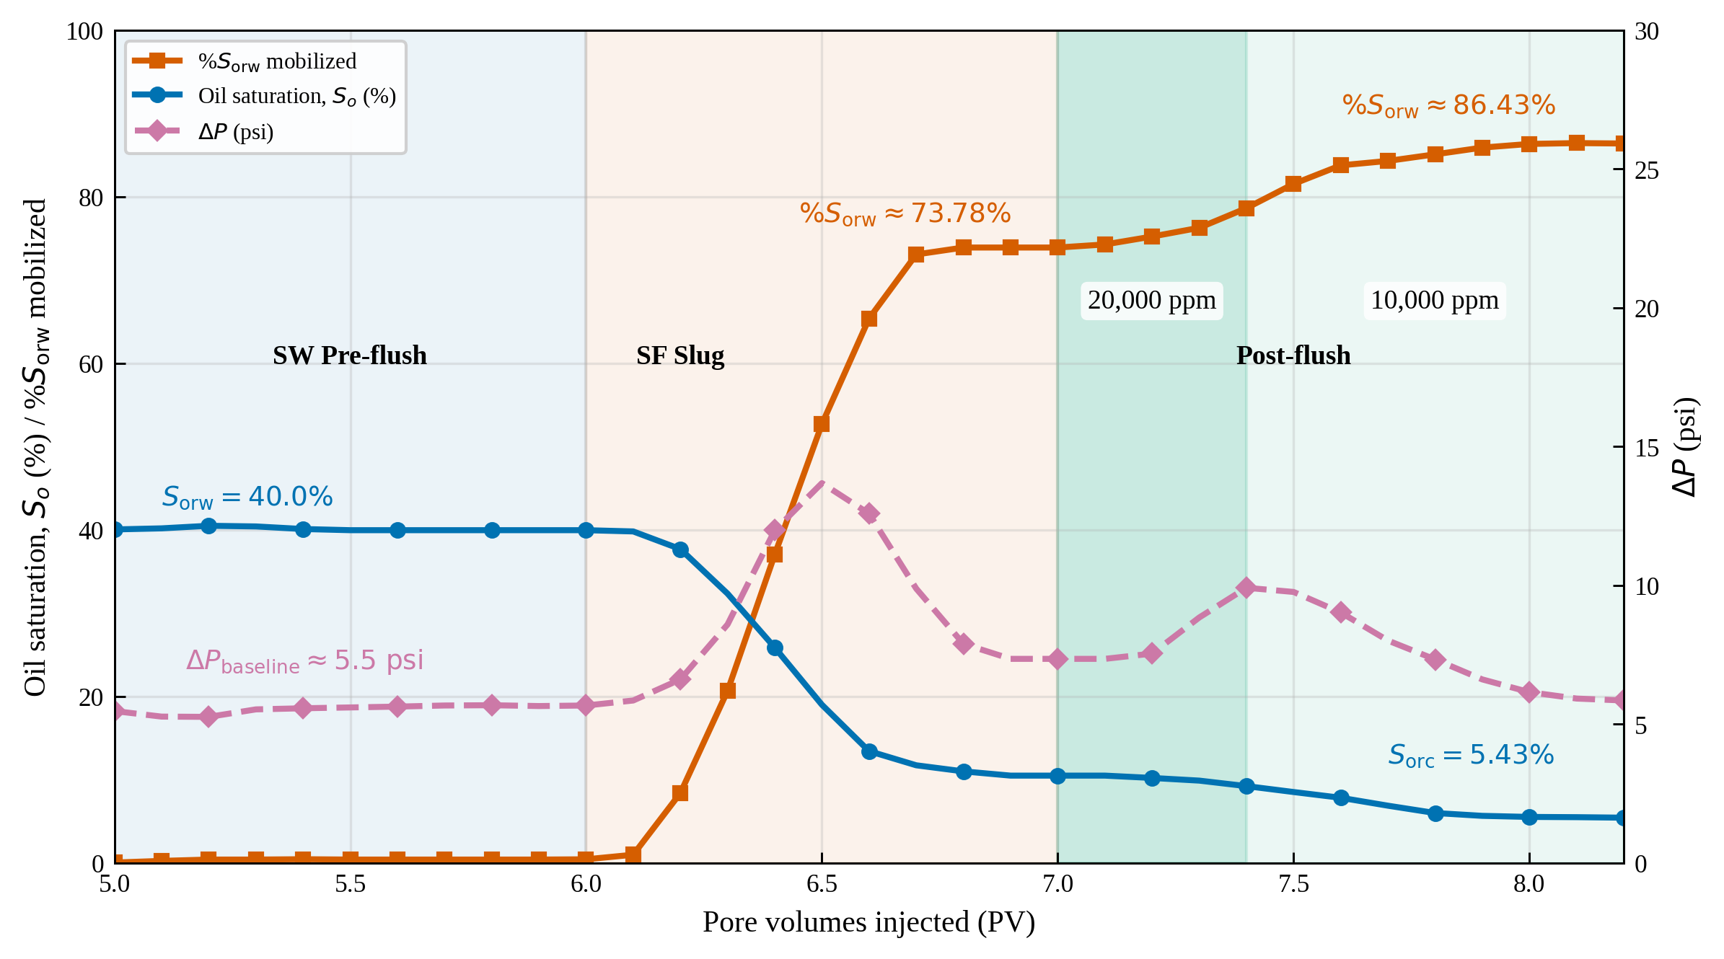
FIGURE 7. COREFLOOD SN7 — RESERVOIR CARBONATE, 100 °C
Core-2 (base case). kw = 4.42 mD (≈4.42 × 10⁻³ μm²). Sorw = 40.0%, Sorc = 5.43%, %Sorw mobilized = 86.4%, Γ = 0.17 mg/g.

PV injected | %Sorw mobilized | So (%) | ΔP (psi) | Stage
5.0 | 0.0 | 40.04 | 5.47 | Start of SW pre-flush
5.1 | 0.2 | 40.17 | 5.27
5.2 | 0.4 | 40.48 | 5.26
5.3 | 0.4 | 40.40 | 5.53
5.4 | 0.4 | 40.09 | 5.57
5.5 | 0.4 | 39.95 | 5.60
5.6 | 0.4 | 39.95 | 5.63
5.7 | 0.4 | 39.95 | 5.67
5.8 | 0.4 | 39.95 | 5.68
5.9 | 0.4 | 39.95 | 5.65
6.0 | 0.4 | 39.95 | 5.67 | Start of SF4 slug injection
6.1 | 1.0 | 39.80 | 5.85
6.2 | 8.4 | 37.68 | 6.61
6.3 | 20.7 | 32.33 | 8.59
6.4 | 37.0 | 25.86 | 11.98
6.5 | 52.7 | 18.99 | 13.68
6.6 | 65.4 | 13.42 | 12.58
6.7 | 73.1 | 11.72 | 9.88
6.8 | 73.9 | 10.99 | 7.89
6.9 | 73.9 | 10.48 | 7.35
7.0 | 73.9 | 10.48 | 7.35 | Start of post-flush (20,000 ppm)
7.1 | 74.3 | 10.48 | 7.35
7.2 | 75.2 | 10.20 | 7.54
7.3 | 76.3 | 9.88 | 8.84
7.4 | 78.6 | 9.22 | 9.91 | Salinity step-down to 10,000 ppm
7.5 | 81.5 | 8.51 | 9.76
7.6 | 83.8 | 7.82 | 9.02
7.7 | 84.3 | 6.87 | 8.01
7.8 | 85.1 | 5.99 | 7.33
7.9 | 85.9 | 5.65 | 6.61
8.0 | 86.3 | 5.52 | 6.15
8.1 | 86.4 | 5.49 | 5.92
8.2 | 86.4 | 5.43 | 5.85

Coreflood SN7 — figure

Cret Contour (F9)
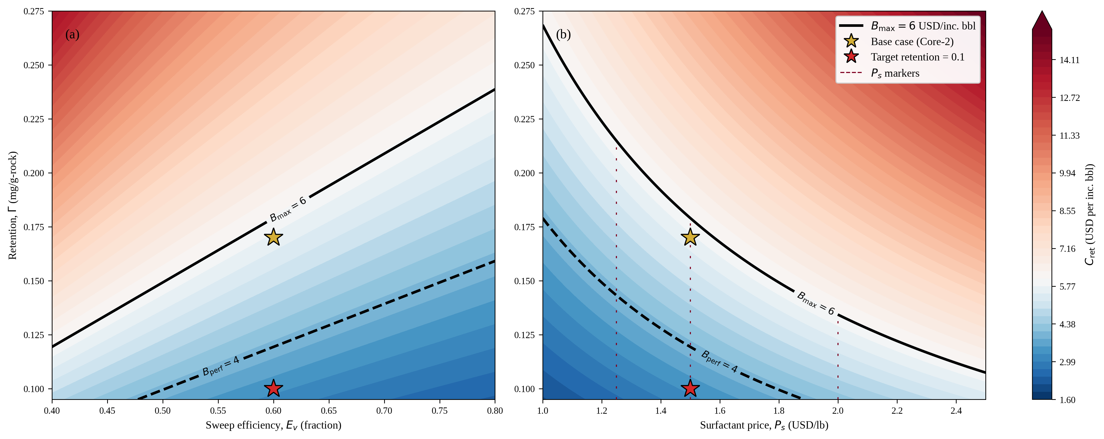
FIGURE 9. RETENTION COST Cret CONTOUR
Cret = K × Γ × Ps / Ev. Iso-cost map in Ev-Γ and Ps-Γ space.

Parameter | Value | Unit
Lumped constant, K | 13.379 | —
Dynamic retention, base | 0.170 | mg/g
Surfactant price, base | 1.500 | USD/lb
Base sweep efficiency, Ev | 0.600 | frac
Budget ceiling, Bmax | 6.000 | USD/inc.bbl
Preferred budget, Bpref | 4.000 | USD/inc.bbl
Cret at base case | 5.69 | USD/inc.bbl

Cret Contour — figure

